Scenerio 1
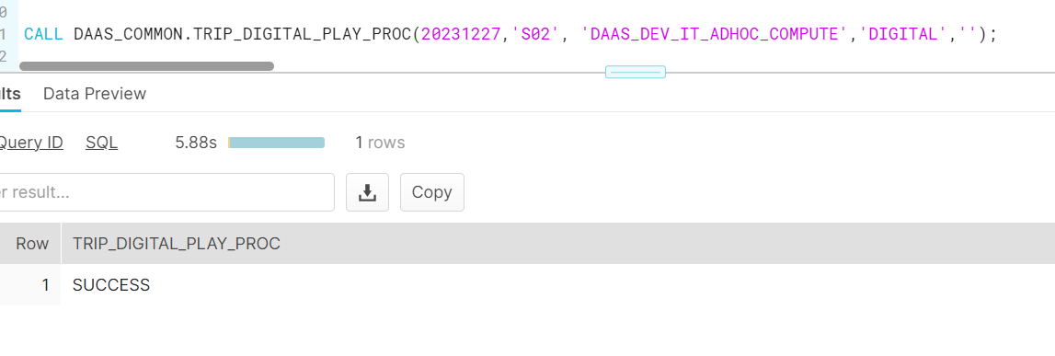
Scenerio 1

Iteration 1:
DIGITAL_TRANSACTIONS_FACT
WHERE GUEST_UNIQUE_ID = 19606965064 AND GUEST_ACTIVITY_DATE = '2023-12-06'
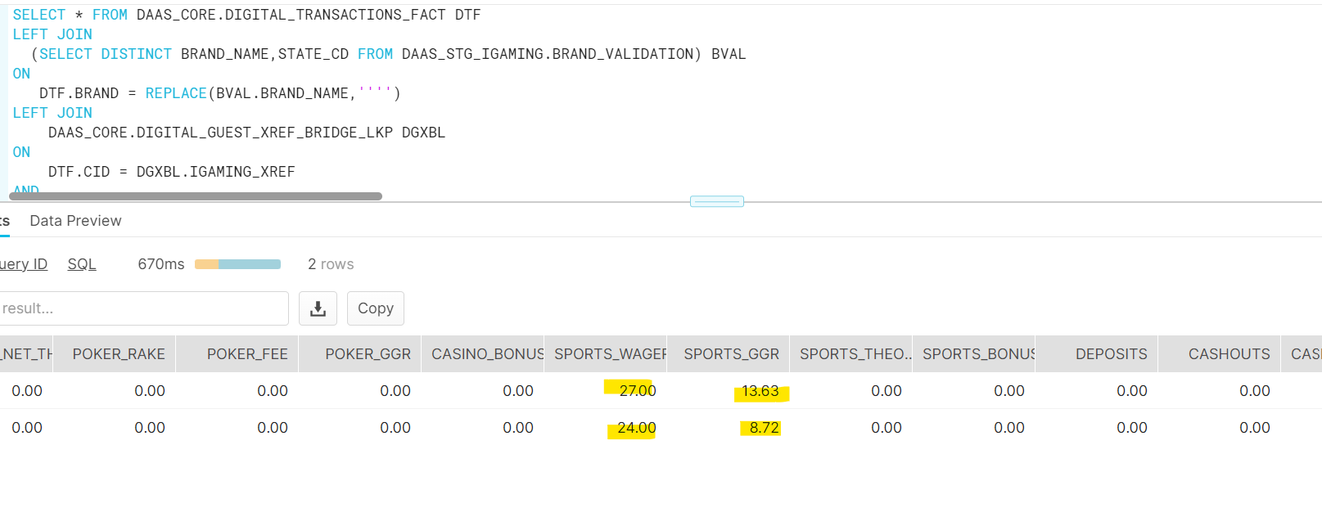

Replay records in DAAS_CORE.DIGITAL_TRANSACTIONS_FACT

DAAS_CORE.DIGITAL_TRANSACTIONS_FACT_TRIP_STREAM

DAAS_CORE.DIGITAL_ACTIVITY_SUMMARY

DAAS_TEMP.DAILY_ACTIVITY_SUMMARY_DIGITAL_PLAY_TEMP_DTF

Iteration 2:

Inserting into DAAS_CORE.DIGITAL_GUEST_XREF_BRIDGE_LKP (Late arrival)

DAAS_CORE.DIGITAL_ACTIVITY_SUMMARY

DAAS_TEMP.DAILY_ACTIVITY_SUMMARY_DIGITAL_PLAY_TEMP_DTF

Scenerio 2
Scenerio 2

Iteration 1:
DIGITAL_TRANSACTIONS_FACT
WHERE GUEST_UNIQUE_ID = 19606965064 AND GUEST_ACTIVITY_DATE = '2023-12-06'

Replay records in DAAS_CORE.DIGITAL_TRANSACTIONS_FACT

DAAS_CORE.DIGITAL_TRANSACTIONS_FACT_TRIP_STREAM

DAAS_CORE.DIGITAL_ACTIVITY_SUMMARY

DAAS_TEMP.DAILY_ACTIVITY_SUMMARY_DIGITAL_PLAY_TEMP_DTF_STREAM

Iteration 2:

Inserting into DAAS_CORE.DIGITAL_GUEST_XREF_BRIDGE_LKP (Late arrival)

Updating Same record which is already there in Temp table to populate stream

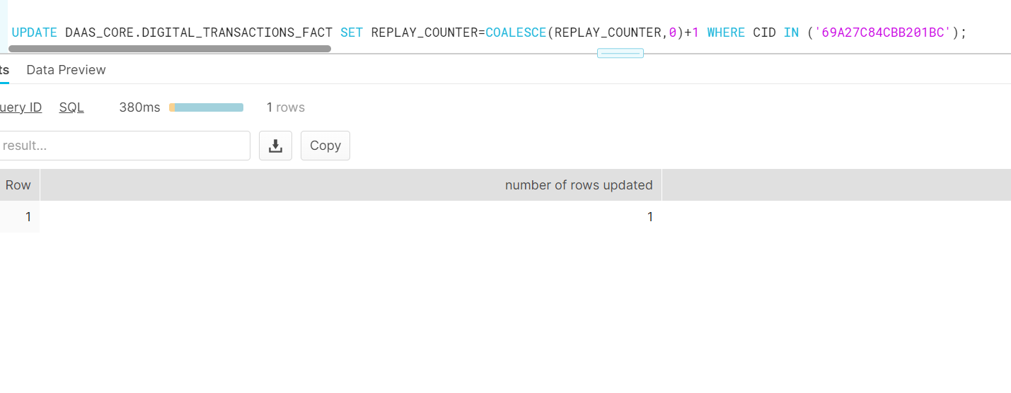

DAAS_CORE.DIGITAL_ACTIVITY_SUMMARY

DAAS_TEMP.DAILY_ACTIVITY_SUMMARY_DIGITAL_PLAY_TEMP_DTF_STREAM

